Existing System BD
Back
 | Exising - System Interface Details
 | 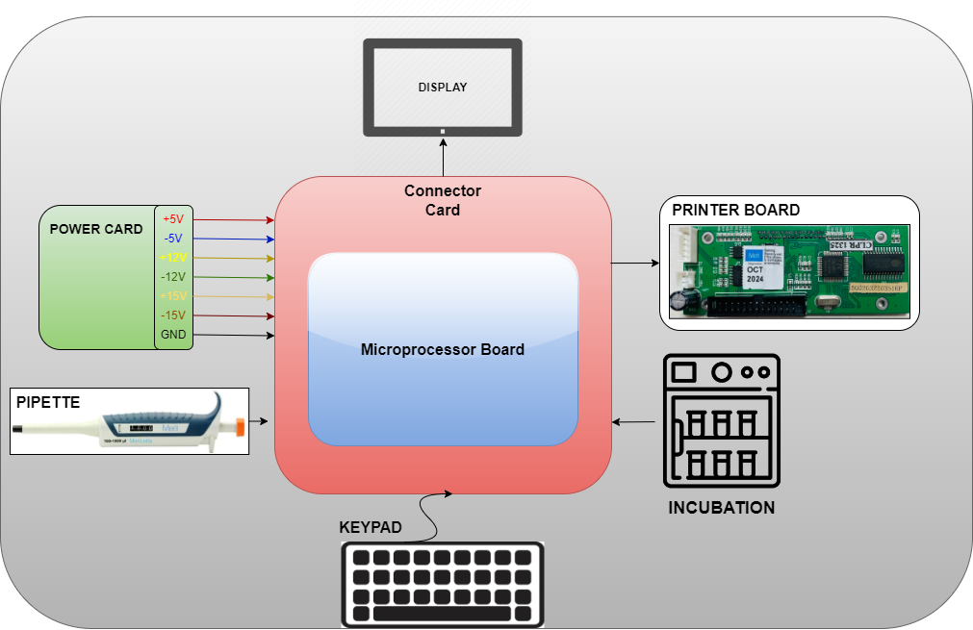

PSU & Printer Board
Back
 | Power Card |  |  | Power Card Block Diagram | Input Power supply
 | 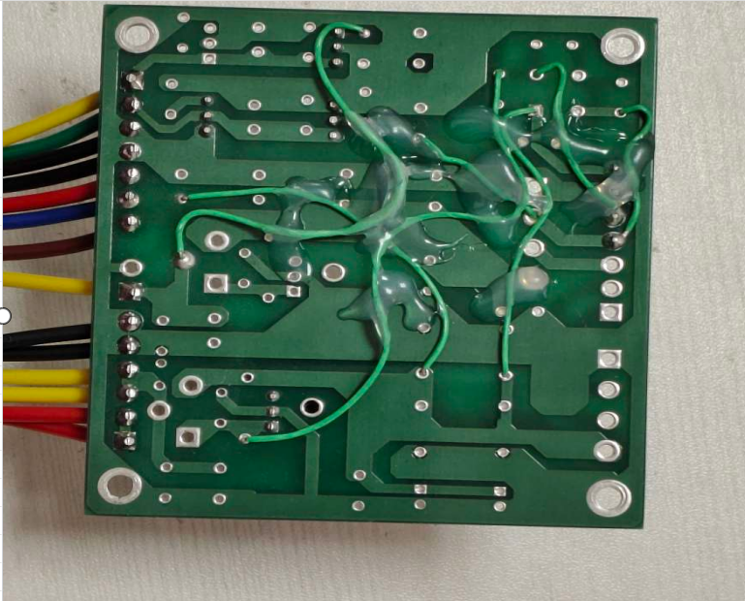 |  | 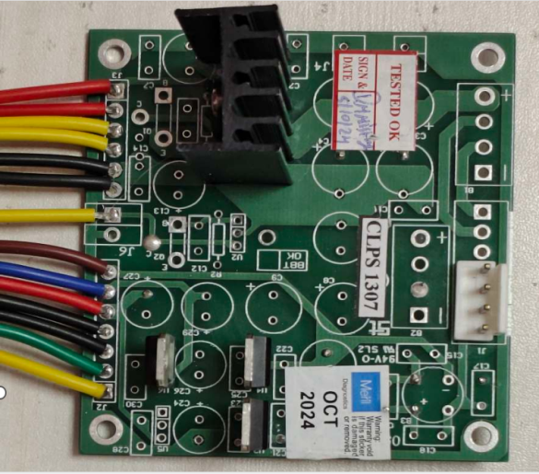 | 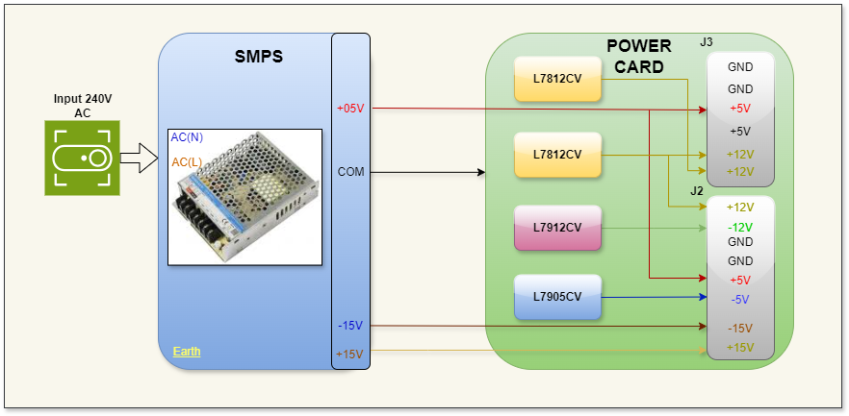 | 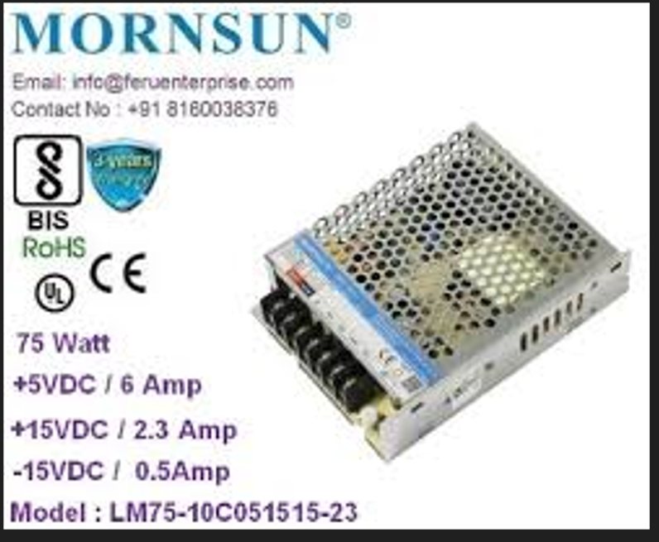

 | 1 | The power card's bottom side has multiplelinks; we need to redesign the PCB.
 | 2 | In the power card, replace the L7912CV, L7812CV, and L7905CV THT regulators with more efficient alternatives.
 | Meril Remarks:1) Meril has designed improved Power supply PCB with SMD Vol regulator IC, so if you can assist same then ok otherwise for new Micro controller Board, make New PCB as per requirement. 2) It is recommended to use same Power supply +15V,- 15V ,6A or else you can suggest - Noted thanks

 | Printer Board
 | 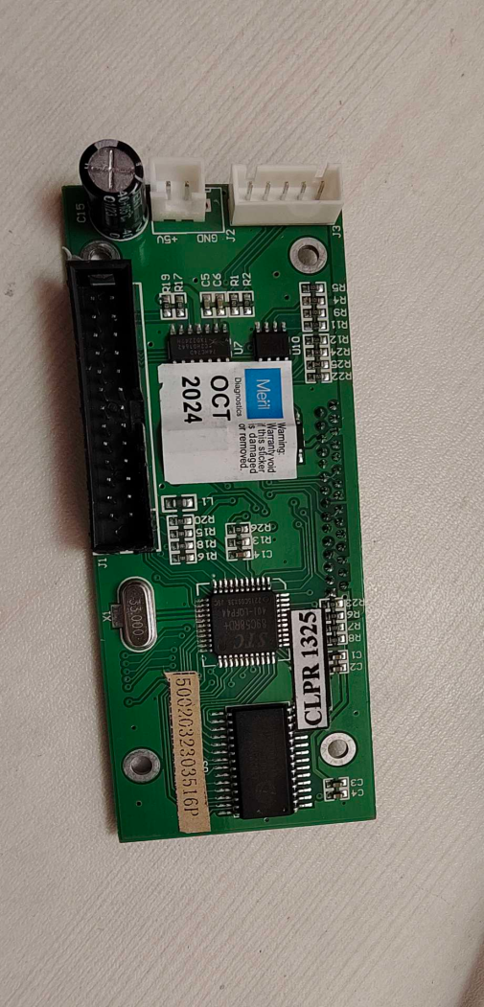 |  |  | 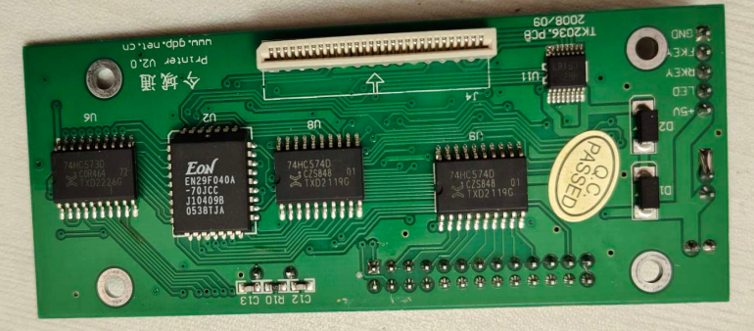

MB and Conn Card
Back
 | MicroController Board |  |  |  | Connector Card
 | 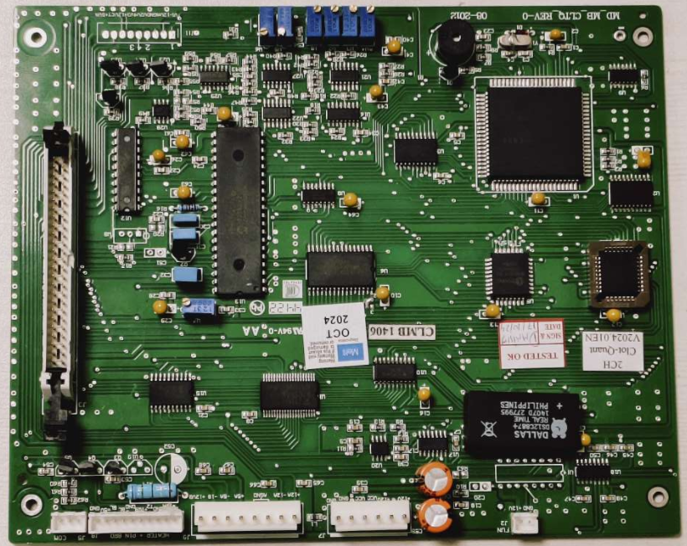 |  |  |  | 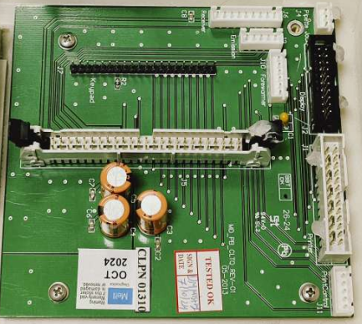

 | Key BOM
 | MFR PN | Description | Manufacturer | Status
 | hm628128blfp-7 | Standard SRAM, 128KX8, | Hitachi | Discontinued
 | W29EE011P-90Z | IC FLASH 1MBIT PARALLEL 32PLCC | Winbond Electronics | Discontinued
 | SST39VF020 | 2Mb 2.7-3.6V Parallel Flash | MICROCHIP | In Production
 | TN80C188EB20 | microprocessor | Intel | In Production
 | 74HC373D | Octal D-type transparent latch; 3-state | NXP | In Production
 | 74HC138D | 3-to-8 line decoder/demultiplexer; inverting | NXP | In Production
 | DALLAS DS12C887 | DALLAS DS12C887 | DALLAS | In Production
 | MAX232I | RS232 | TI | In Production
 | HCT74AG | Dual D Flip-Flop with Set and Reset | Onsemi | In Production
 | LM393 | Dual differential comparator | TI | In Production
 | 74HC245 | Octal 3−State Noninverting Bus Transceiver | TI | In Production
 | 82C55AM-10
 | 74HC244D | Octal buffer/line driver; 3-state | NXP | In Production
 | TC7109ACPL | Analog to Digital Converters - ADC 13 Bit Fast Recovery | Microchip Technology | In Production
 | MM74C923N | IC ENCODER 20-KEY 1 X 9:4 20DIP | onsemi | In Production
 | 83AH3VF
 | TL074C | LOW-NOISE JFET-INPUT OPERATIONAL AMPLIFIER | TI
 | C1WS2702
 | TXD22231 IC

 | Most of the components are not available in India., We need to replace the Intel processor with a microcontroller. We need to replace through-hole components with SMD components. We need the old schematics PDF for reference.

 | Meril Remarks: Yes, Agreed , Kindly design New Main board PCB with Microcontroller

Display and Incubator
Back
 | Display |  | Incubation & Heater
 | 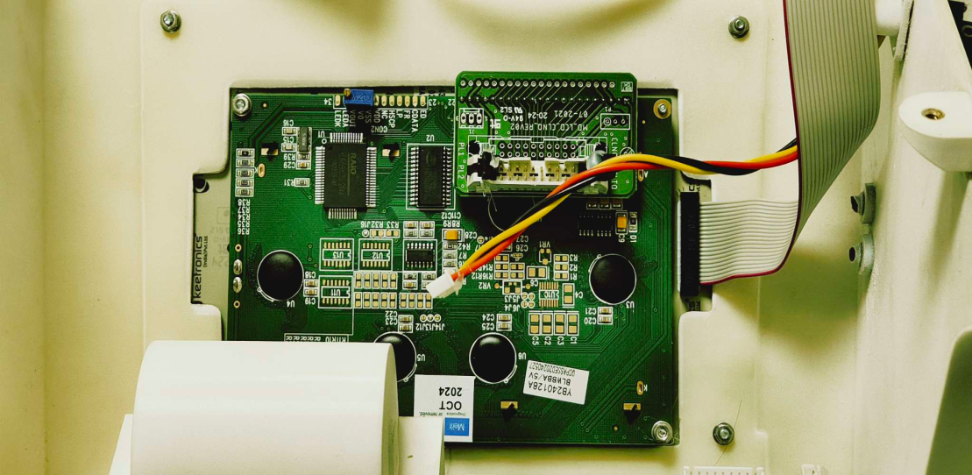 |  | 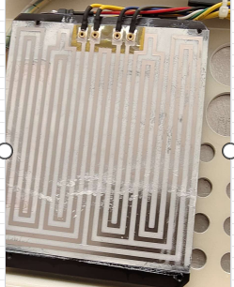

 | Display to be replaced with Touch Screen, latest Display

 | Meril Remarks: | Yes, this board will not be used for touch screen LCD, if new LCD has different connection, you need to design
 |  | This Coil is very reliable for big part heating, so we recommned to use same…

New system Build
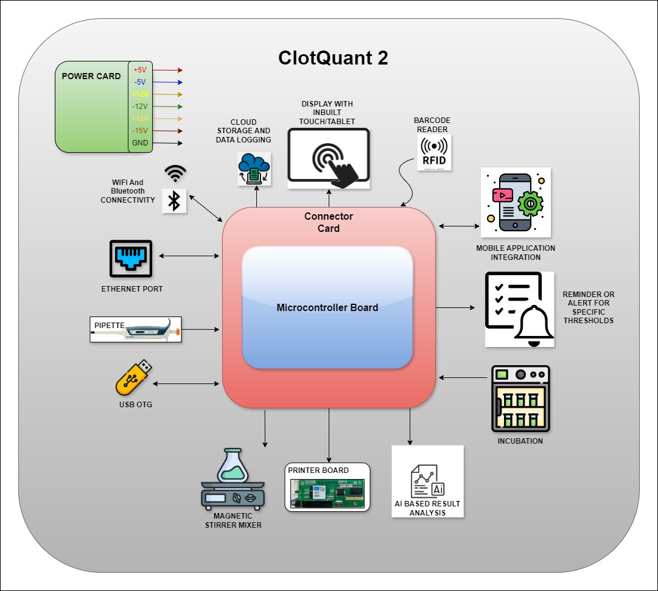
Back
 | Proposed System : Block Diagram | Sr No | Key Items | Features | Remarks
 |  | 1 | USB OTG | Allows the device to connect with USB peripherals, enhancing data transfer and compatibility.
 |  | 2 | WIFI | Enables wireless connectivity for remote monitoring and control.
 |  | 3 | BLE | Facilitates easy integration with mobile apps for seamless data access and device management.
 |  | 4 | Bar-code Reader | Allows scanning of bar-codes for quick data entry or identification purposes.
 |  | 5 | Touch Display | Provides a user-friendly interface for controlling and viewing device data directly.
 |  | 6 | IOT Connectivity (Cloud Connectivity) | Stores data securely in the cloud for easy access, backup, and analysis over time.
 |  | 7 | Thresholds, alerts etc | Sends alerts when specific parameters exceed set limits to ensure timely action.
 |  | 8 | AI - Analysis | Uses artificial intelligence to analyze data and provide insights or recommendations. | Future Options
 |  | 9 | Auto Stirrer | Automatic Stirring and Mixing Control with Variable Speed: Include a magnetic stirrer with variable speed control to precisely mix solutions as needed for different types of analyses | Future Options
 |  | 10 | Ethernet | Provides a reliable wired network connection
 |  | 11 | ADC - Resolution / Speed | High-Resolution ADC (Analog-to-Digital Converter): Converts analog signals from sensors into digital data with high accuracy.
 |  | 12 | Production Test Features | ON Board LED- On board LED for Production testing | Future Options
 |  | 13 | Meril Req. | All Connector for USB, Ethernet, RS232 need on PCB only, so we can interface PCB at backside of Base plate, so less cable assembly req.
 |  | 14 | Meril Req. | Keep minimum Hardware calibration, need digitally (ADC Calibrations / Temp Calibration)

 | KEY HELIGHTS OF THE NEW SYSTEM - 1. Overall Cost of product will go down by 30 to 40% 2. EOL of the Product will be extended to next 10 to 15 Years 3. IOT Enabled / AI Enabled as needed (Provision) 4. Ease of Operation, Assembly and Maintenance 5. Touch Screen Display

Microcontroller
Back
 | Comparison table between the 80C188EB-20 and the NUCLEO-F767ZI (STM32F767ZIT6) |  |  | Comparison table between the NUCLEO-F722ZE and the NUCLEO-F767ZI (STM32F767ZIT6)

 | Feature | 80C188EB-20 | NUCLEO-F767ZI (STM32F767ZIT6) | Feature | NUCLEO-F767ZI | NUCLEO-F722ZE
 | Architecture | Intel 16-bit CISC (x86) | ARM Cortex-M7 32-bit RISC | Microcontroller | STM32F767ZI | STM32F722ZE
 | Clock Speed | 20 MHz | 216 MHz | Core | ARM Cortex-M7 | ARM Cortex-M7
 | Instruction Set | x86 | ARMv7-M | Clock Speed | Up to 216 MHz | Up to 216 MHz
 | Integrated Memory | None (requires external memory) | 2 MB Flash, 512 KB SRAM | Flash Memory | 2 MB | 512 KB
 | Memory Access | External memory using parallel bus | Internal memory; direct access | RAM | 512 KB | 256 KB
 | Peripheral Interfaces | Parallel Bus, UART, Timers | SPI, I2C, CAN, UART, USB, Ethernet, SDIO, GPIOs | Package Type | LQFP144 | LQFP144
 | Interrupt System | Legacy x86-style interrupt handling | Advanced NVIC (Nested Vectored Interrupt Controller) | Digital GPIO Pins | 114 | 114
 | Voltage Levels | 5V | 3.3V | Analog Input Pins | 3 ADC (12-bit) | 3 ADC (12-bit)
 | Pin Count | 84 pins (PLCC) | 144 pins (LQFP on STM32, 144-pin NUCLEO board) | UART Interfaces | 6 UARTs | 6 UARTs
 | Development Ecosystem | Legacy tools (e.g., PL/M, assembly) | STM32CubeIDE, STM32CubeMX, HAL/LL libraries | SPI Interfaces | 6 SPI | 6 SPI
 | Power Consumption | Higher | Lower | I2C Interfaces | 3 I2C | 3 I2C
 | Power Modes | Limited | Multiple low-power modes (e.g., Sleep, Stop) | Timers | 14 (general, advanced, basic) | 14 (general, advanced, basic)
 | Timers | Basic programmable timers | Multiple advanced timers with PWM, input capture, etc. | Ethernet MAC | Yes (with IEEE 1588 support) | Yes
 | Communication | Legacy UART, parallel interface | SPI, I2C, UART, CAN, USB, Ethernet, SDIO | USB | USB OTG HS/FS | USB OTG HS/FS
 | DMA | Not available | Multiple DMA channels | Cryptographic Support | Yes | No
 | Floating-Point Support | No | Single and double-precision FPU | Floating Point Unit | Double Precision | Single Precision
 | Target Applications | Legacy embedded systems | Modern high-performance systems | Connectivity | Advanced Ethernet and USB support | Basic Ethernet and USB support
 | Package Type | PLCC | LQFP (on NUCLEO board: 144-pin headers) | Power Supply | 3.3V/5V via USB or external source | 3.3V/5V via USB or external source
 | Debugging Tools | Limited | Advanced debugging (SWD, JTAG, ST-Link) | Board Size | Larger (dimensions vary slightly) | Slightly smaller
 | Community Support | Limited | Extensive community and documentation | Use Case | High-performance, advanced IoT and real-time applications | Mid-range embedded systems and control applications
 | Cost | 3000 INR | 2000 INR
 | Software Support | Legacy (PL/M, assembly) | Modern C/C++ libraries, middleware support
 | Expandability | Requires external memory and peripherals | Arduino-compatible and ST morpho headers for prototyping

 | 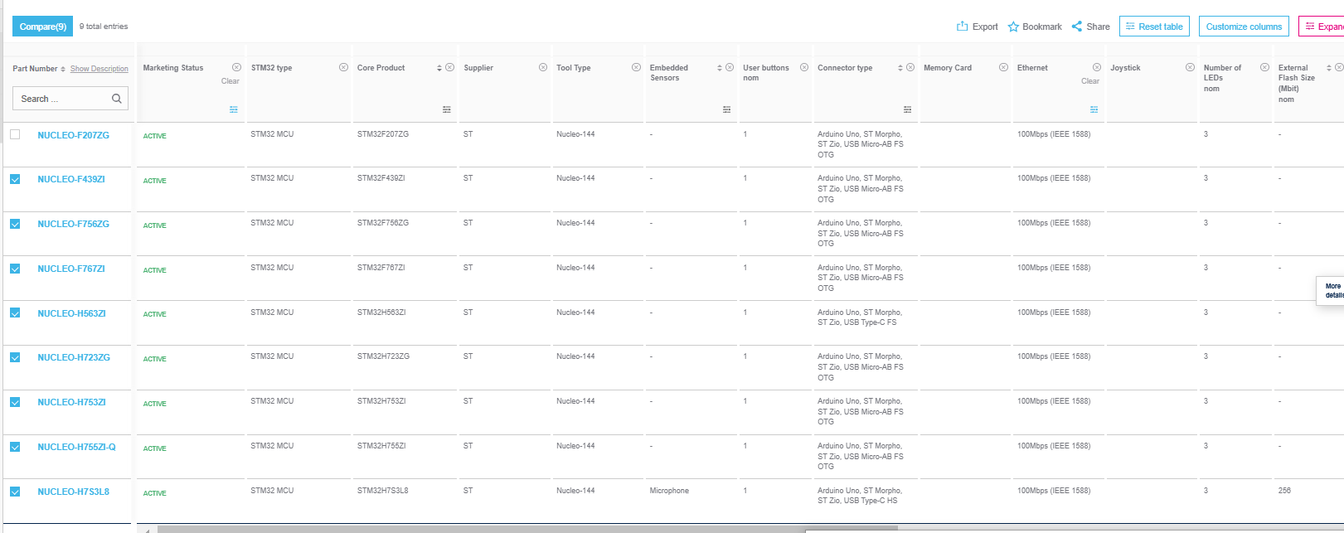

80C188EB-20
Back
 | Existing Processor Pinout & Architecture - 80C188EB-20

 | Sr No | PIN OUT | 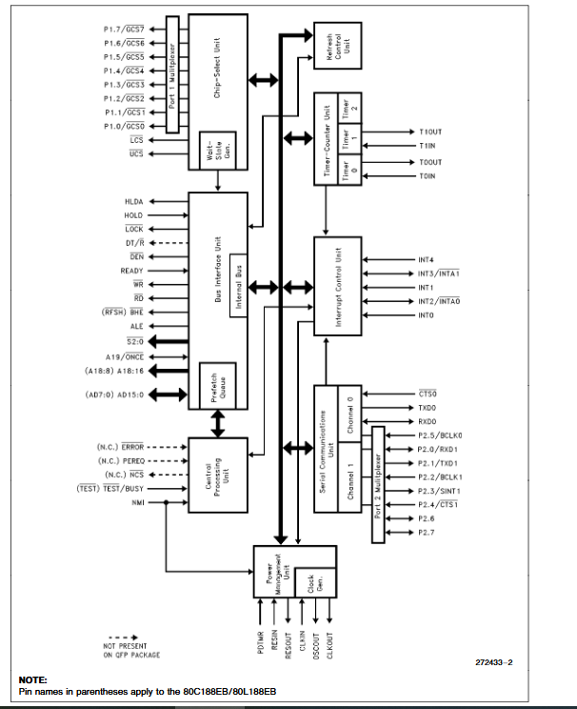 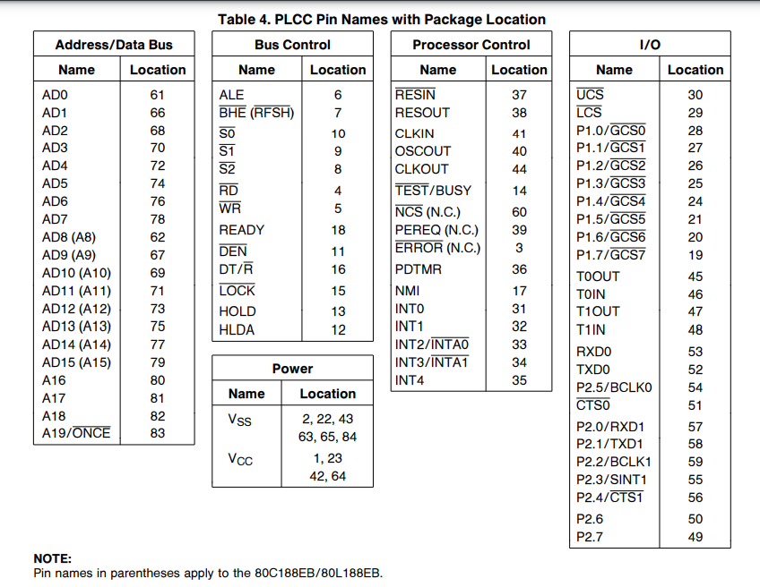
 | 1 | VCC
 | 2 | RD
 | 3 | WR
 | 4 | ALE
 | 5 | S2
 | 6 | S1
 | 7 | S0
 | 8 | DEN
 | 9 | GND
 | 10 | SL
 | 11 | BHE
 | 12 | HLDA
 | 13 | HOLD
 | 14 | BUSY/TEST
 | 15 | LOCK
 | 16 | DT/R
 | 17 | READY
 | 18 | GCS7
 | 19 | P1.7/GCS7
 | 20 | P1.6/GCS6
 | 21 | P1.5/GCS5
 | 22 | P1.4/GCS4
 | 23 | P1.3/GCS3
 | 24 | P1.2/GCS2
 | 25 | P1.1/GCS1
 | 26 | P1.0/GCS0
 | 27 | GCS6
 | 28 | GCS0
 | 29 | LCS
 | 30 | UCS
 | 31 | INT0
 | 32 | INT1
 | 33 | INT2/TMR0
 | 34 | INT3/TMR1
 | 35 | P2.3/STNT1
 | 36 | P2.2/BCLK1
 | 37 | P2.1/TXD1
 | 38 | P2.0/RXD1
 | 39 | P2.4/CTS1
 | 40 | RXD0
 | 41 | TXD0
 | 42 | TCLK0
 | 43 | TOUT
 | 44 | CSOUT
 | 45 | PCS5
 | 46 | PCS4
 | 47 | PCS3
 | 48 | PCS2
 | 49 | PCS1
 | 50 | RESET
 | 51 | PREBOOT
 | 52 | NMI
 | 53 | GND
 | 54 | PCS0
 | 55 | PCS0
 | 64 | A8
 | 65 | A9
 | 66 | A10
 | 67 | A11
 | 68 | A12
 | 69 | A13
 | 70 | A14
 | 71 | A15
 | 72 | A16
 | 73 | A17
 | 74 | A18
 | 75 | A19/ONSE
 | 56 | AD0
 | 57 | AD1
 | 58 | AD2
 | 59 | AD3
 | 60 | AD4
 | 61 | AD5
 | 62 | AD6
 | 63 | AD7
 | 76 | AD18
 | 77 | AD17
 | 78 | AD16
 | 79 | AD15
 | 80 | AD14
 | 81 | AD13
 | 82 | AD12
 | 83 | AD11
 | 84 | AD10

BD + PowerSch
Back
 | Block - Dia : System | Block - Dia - System Power Scheme
 | 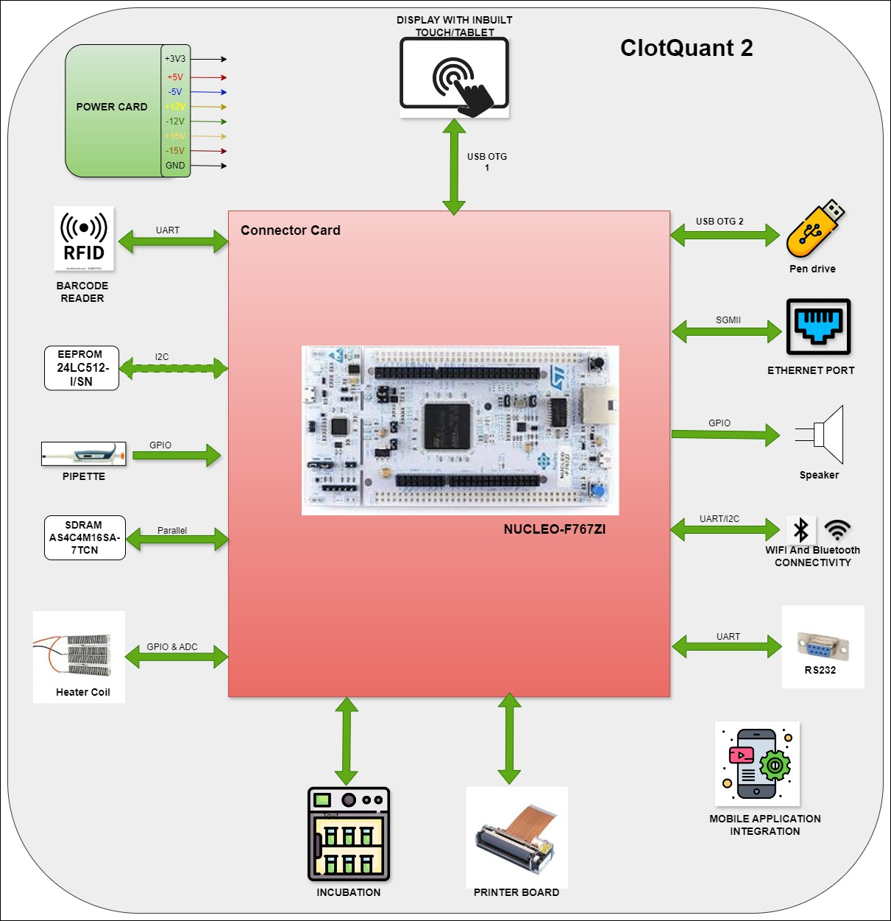 | 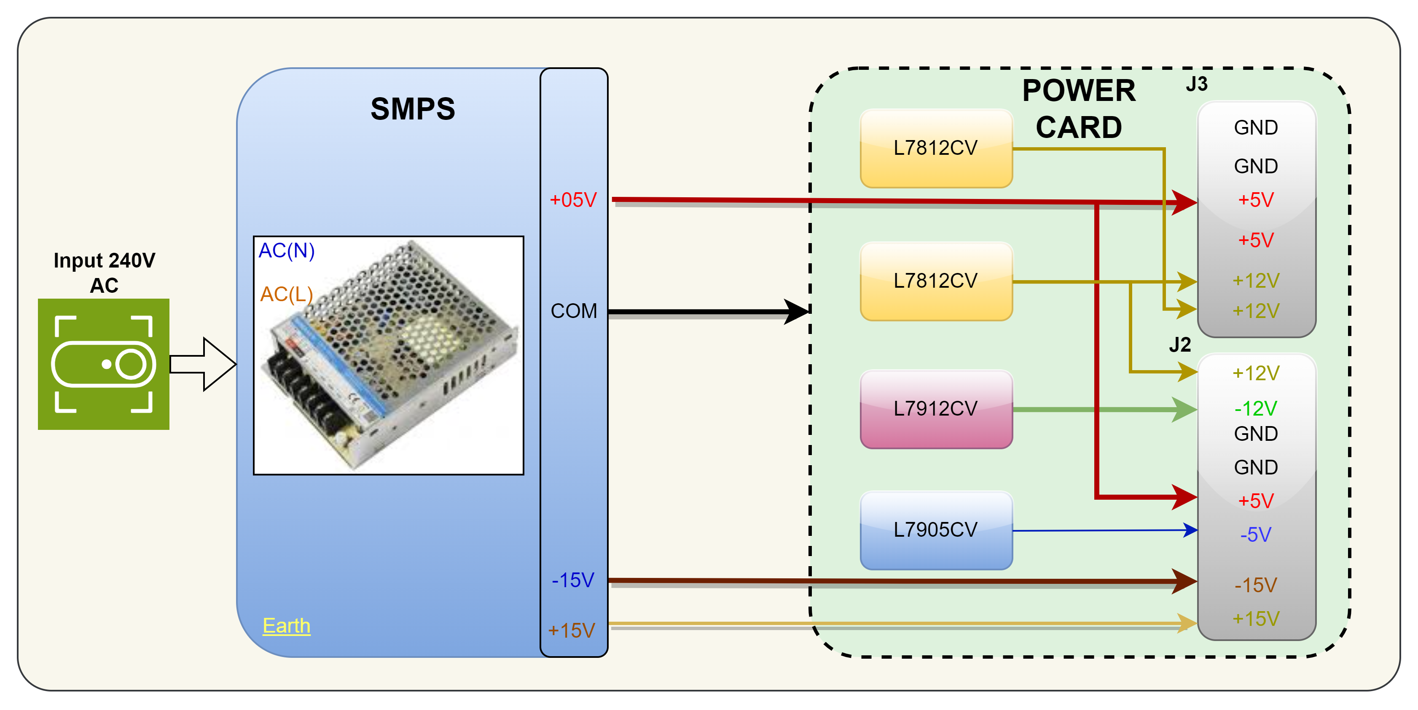

ADC
Back
 | TC7109ACPL- Dual-Slope ADC - Existing ADC

 | 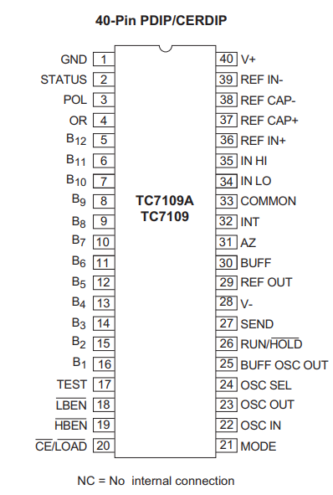 | 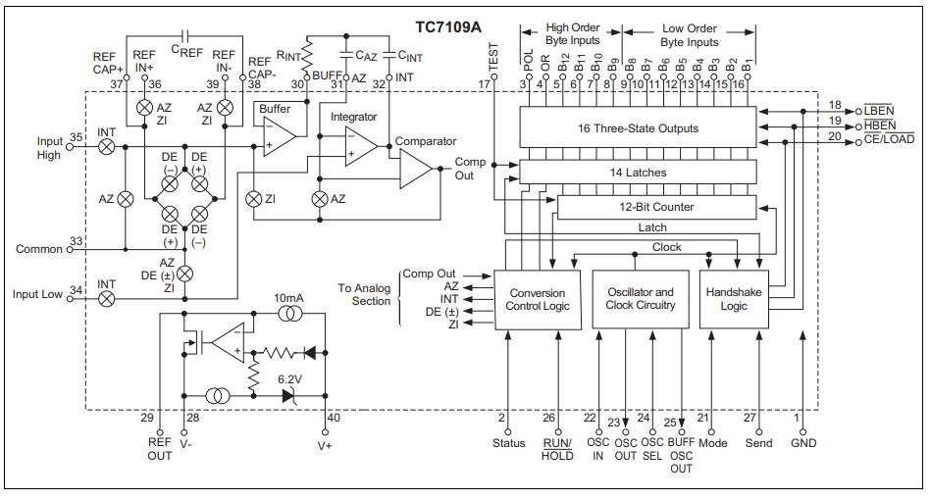

 | 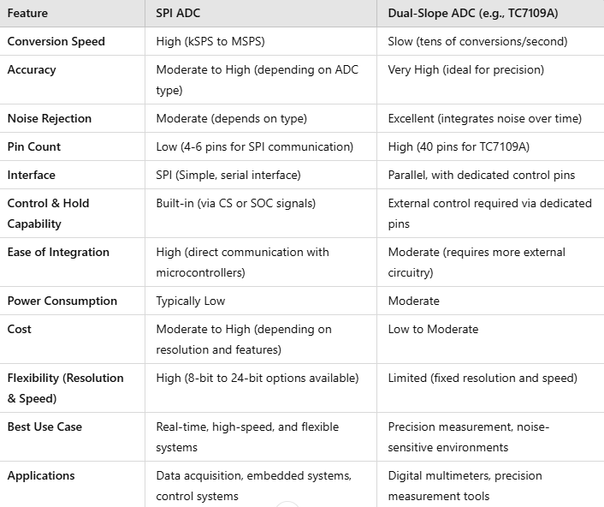

Eth_phy
Back
 | Ethernet Phy

 | 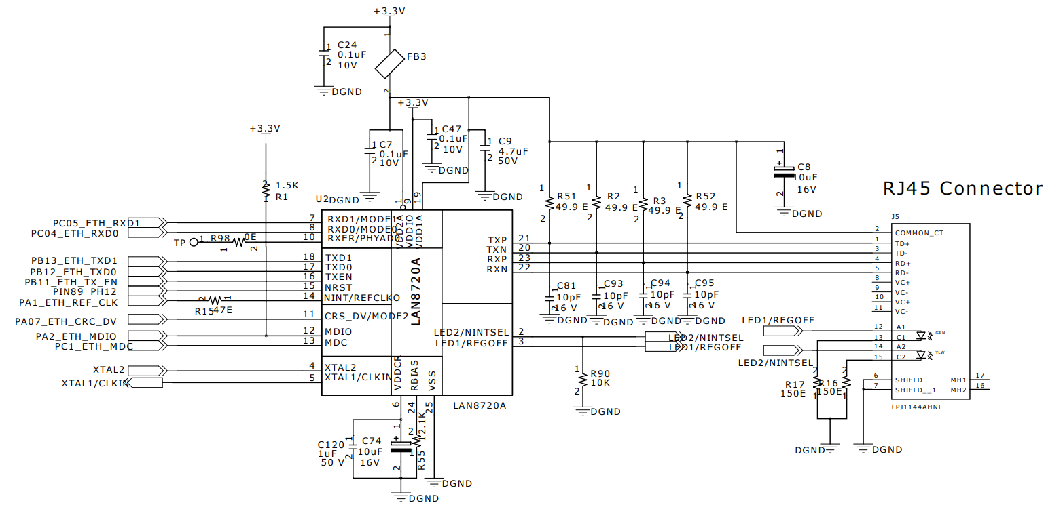

 | Specifications
 | Brand: | Microchip Technology
 | Data Rate: | 10 Mb/s, 100 Mb/s
 | Duplex: | Full Duplex, Half Duplex
 | Height: | 0.85 mm
 | Interface Type: | MDI-X, RMII
 | Length: | 4 mm
 | Maximum Operating Temperature: | + 85 C
 | Minimum Operating Temperature: | 0 C
 | Moisture Sensitive: | Yes
 | Mounting Style: | SMD/SMT
 | Number of Transceivers: | 1 Transceiver
 | Package/Case: | QFN-24
 | Packaging: | Tray
 | Product: | Ethernet Transceivers
 | Product Type: | Ethernet ICs
 | Series: | LAN8720A
 | Standard: | 10BASE-T, 100BASE-TX
 | Subcategory: | Communication & Networking ICs
 | Supply Current - Max: | 21 mA
 | Supply Voltage - Max: | 1.26 V
 | Supply Voltage - Min: | 1.14 V
 | Width: | 4 mm

